original_subproblem
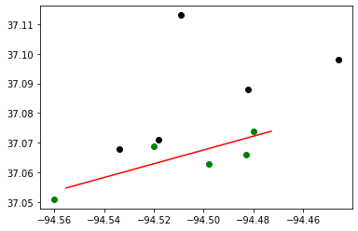
Budget : | 30000000 | Tornado Length: | 5
Best Bound: | 153
Best Objective: | 161
Gap: | 0.05
CCG Run time: | 4012.14
CCG Iteration: | 2
Subproblem Run time: | 4012.01
Number of Subproblem Callbacks: | 12
Subproblem Callbacks Run Time: | 0.76
Number of Uncertainty Set Check Call: | 0
Uncertainty Set Check Run Time: | 0
Head of worst tornado: | -94.555 | 37.055
Tail of worst tornado: | -94.473 | 37.074

Block ID | coordinate_x | coordinate_y | Population | Retrofitting | Retrofitting Cost | Damaged? | Recovery Cost | Dislocation
291450206011006 | -94.56 | 37.051 | 76 | R3 | 23992 | YES | 1432688 | 48
290970109004010 | -94.534 | 37.068 | 30 | Do_nothing | 0 | NO | 0 | 0
290970108003009 | -94.52 | 37.069 | 17 | R3 | 13277 | YES | 346429 | 11
290970108002039 | -94.518 | 37.071 | 26 | Do_nothing | 0 | NO | 0 | 0
290970102002009 | -94.509 | 37.113 | 3 | Do_nothing | 0 | NO | 0 | 0
290970106006017 | -94.498 | 37.063 | 57 | R3 | 12444 | YES | 453007 | 36
290970105004010 | -94.483 | 37.066 | 66 | R3 | 18202 | YES | 473030 | 41
290970101003030 | -94.482 | 37.088 | 16 | Do_nothing | 0 | NO | 0 | 0
290970105002018 | -94.48 | 37.074 | 27 | R3 | 9781 | YES | 213023 | 17
290970119001039 | -94.446 | 37.098 | 39 | Do_nothing | 0 | NO | 0 | 0

original_validCuts
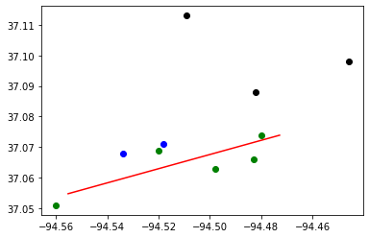
Budget : | 30000000 | Tornado Length: | 5
Best Bound: | 153
Best Objective: | 153
Gap: | 0
CCG Run time: | 25.72
CCG Iteration: | 3
Subproblem Run time: | 25.52
Number of Subproblem Callbacks: | 22
Subproblem Callbacks Run Time: | 1.01
Number of Uncertainty Set Check Call: | 0
Uncertainty Set Check Run Time: | 0
Head of worst tornado: | -94.555 | 37.055
Tail of worst tornado: | -94.473 | 37.074

Block ID | coordinate_x | coordinate_y | Population | Retrofitting | Retrofitting Cost | Damaged? | Recovery Cost | Dislocation
291450206011006 | -94.56 | 37.051 | 76 | R3 | 23992 | YES | 1432688 | 48
290970109004010 | -94.534 | 37.068 | 30 | R3 | 11055 | NO | 0 | 0
290970108003009 | -94.52 | 37.069 | 17 | R3 | 13277 | YES | 346429 | 11
290970108002039 | -94.518 | 37.071 | 26 | R3 | 7843 | NO | 0 | 0
290970102002009 | -94.509 | 37.113 | 3 | Do_nothing | 0 | NO | 0 | 0
290970106006017 | -94.498 | 37.063 | 57 | R3 | 12444 | YES | 453007 | 36
290970105004010 | -94.483 | 37.066 | 66 | R3 | 18202 | YES | 473030 | 41
290970101003030 | -94.482 | 37.088 | 16 | Do_nothing | 0 | NO | 0 | 0
290970105002018 | -94.48 | 37.074 | 27 | R3 | 9781 | YES | 213023 | 17
290970119001039 | -94.446 | 37.098 | 39 | Do_nothing | 0 | NO | 0 | 0

